Overview
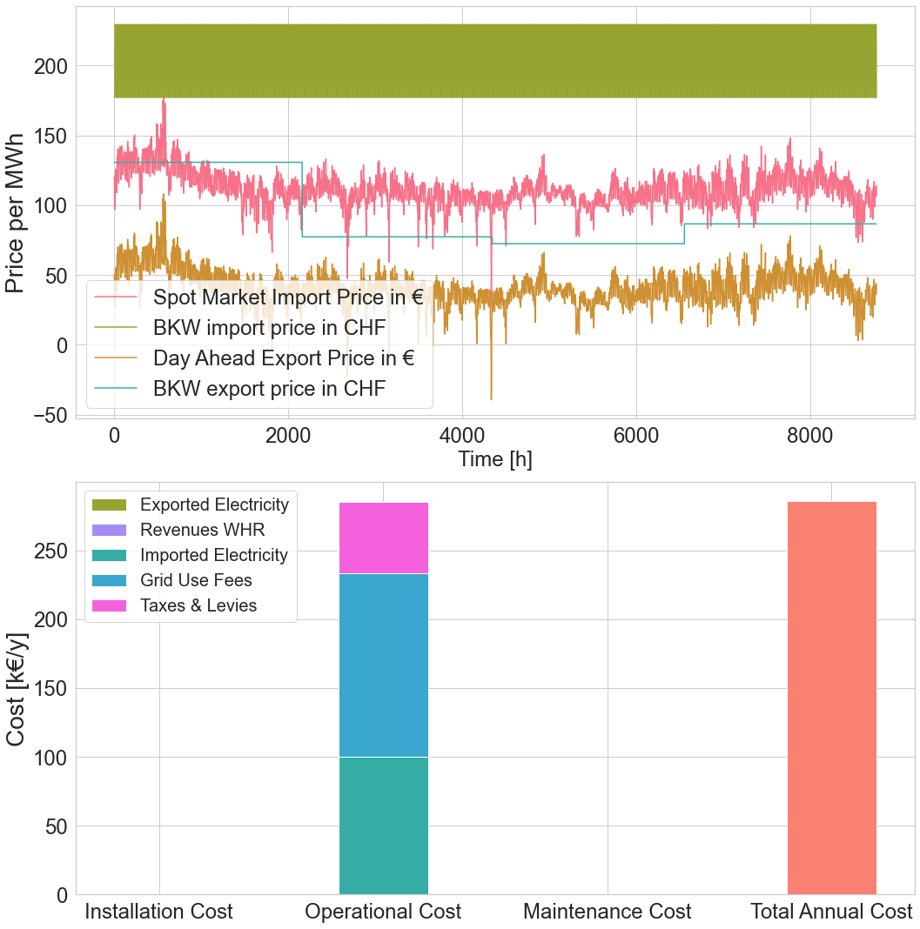

Max Import Peak = | 613.5675

